DWH Schema
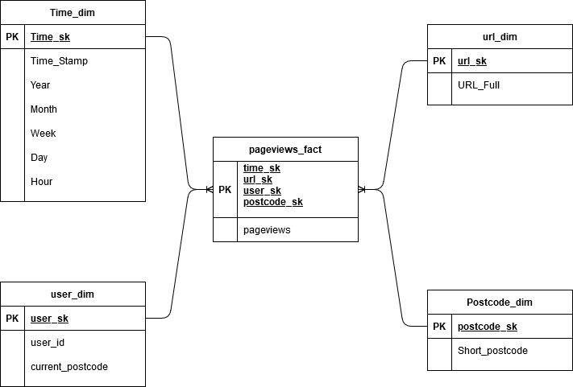

tool:
https://app.diagrams.net/
n.b. external online tools to be used with caution, do not move any information outside of company domain
would not use this in reality but helpful in this case

